Instruction
 | WHEN COMPLETED, THIS SECURITY CERTIFICATION ACCREDITATION ASSESSMENT IS CONFIDENTIAL AND PROTECTED FROM DISCLOSURE PURSUANT TO 51 O.S. §24A.28 and 62 O.S. §34.12.C
Assessment Name | Security Assessment
Organization Name | State of Oklahoma – OMES Cyber Command
Purpose | The purpose of the assessment is for the State of Oklahoma to identify and manage any risk stemming from our business partnerships. All suppliers offering IT-related services and/or products are required to complete this assessment prior to issuance of an Authority to Operate (ATO). This assessment is designed to allow us to gain a better understanding of our supplier’s internal security posture, along with the product, service and/or solution being offered. Our tools, platforms and procedures should have no bearing on the enterprise security controls of the suppliers. The State wants to ensure the vendor's overall environment and security protocols will meet minimum security requirements.
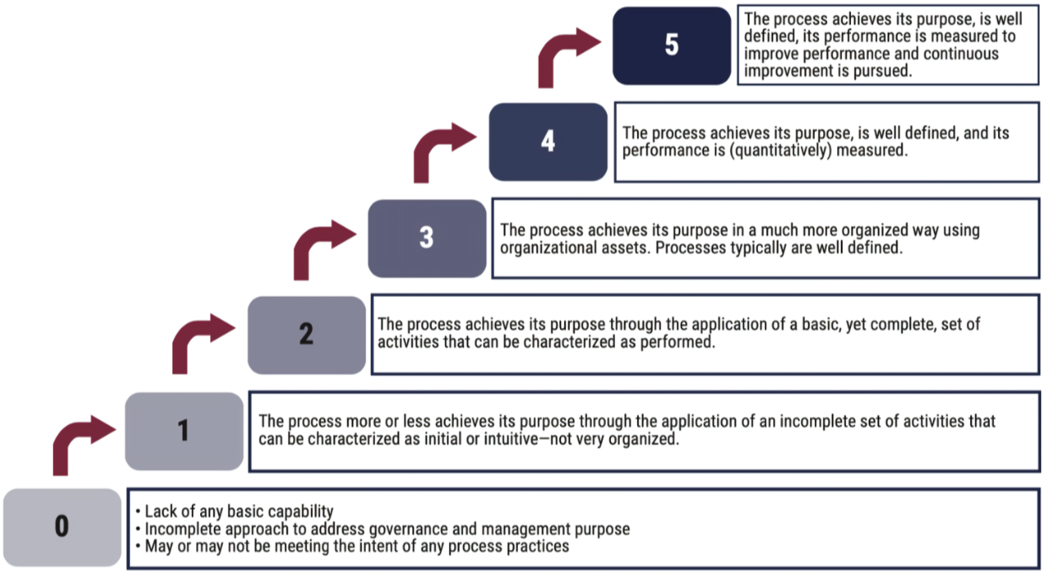
Maturity level

1 - Demographics
 |  |  | 
Organization answering this questionnaire
System name or service for which this applies
 | State of Oklahoma Security Policy
 | https://oklahoma.gov/content/dam/ok/en/omes/documents/InfoSecPPG.pdf

 | Demographics
# | Question | Answer
D-1 | Company's legal name
D-2 | Primary website URL
D-3 | Primary contact name
D-4 | Primary contact email
D-5 | Primary contact phone
D-6 | Alternate contact name
D-7 | Alternate contact email
D-8 | Alternate contact phone
D-9 | Please describe the product or service your organization will be providing the State of Oklahoma.
D-10 | Please describe the type of service or product being provided to the State of Oklahoma (i.e., SaaS, PaaS, IaaS, hardware, staffing, etc.).

2 - Service Specific
 | WHEN COMPLETED, THIS SECURITY CERTIFICATION ACCREDITATION ASSESSMENT IS CONFIDENTIAL AND PROTECTED FROM DISCLOSURE PURSUANT TO 51 O.S. §24A.28 and 62 O.S. §34.12.C |  |  |  |  |  |  |  | 
Organization answering this questionnaire
System name or service for which this applies
 | State of Oklahoma Security Policy
 | https://oklahoma.gov/content/dam/ok/en/omes/documents/InfoSecPPG.pdf |  | Enter a Value in the corresponding Maturity Rating Box

 | Service Specific | Status | Maturity Rating |  |  |  |  |  | Explanation/Comments
# | Question | (Y/N) | Nonexistent | Initial/Ad hoc | Repeatable but intuitive | Defined | Managed and measureable | Optimized
SS-1 | This section is strictly regarding the service or product being provided to the State of Oklahoma. All other sections in this assessment will be in regards to your organziation's internal security posture, processes and procedures.
SS-2 | Does the system store, host, transmit or process any sensitive data?
SS-3 | Sensitive data defined as any data that may contain information protected by state statutes or federal regulations.
SS-4 | Sensitive data defined as not protected but contains information that must be secured for the continuity or security of state government or individuals; if such data were disclosed, harm would likely occur to the state, the security posture of the state or individuals.
SS-5 | Does your organization have resources outside the U.S that will host, store, transmit, process or access State of Oklahoma data?
SS-6 | Will your organization host, store, transmit, process, or access and regulated sensitive or non-regulated sensitive data (i.e., PHI/HIPAA, PII, CJI, FTI FERPA, etc.)?
SS-7 | Will a nonresident individual or corporation of the U.S. have physical or logical access to State of Oklahoma data?
SS-8 | Will any support contacts of the solution provider for hardware, software or other technical support allow for the physical or logical access of a non-U.S. resident or corporation?
SS-9 | Does the solution provider have a help desk function that allows for the support intake and handling of IT or security-related services?
SS-10 | Does the solution provider engage in e-commerce activity on behalf of the State of Oklahoma?
SS-11 | Does the solution provider outsource or subcontract any portion of the services that are being contracted on the behalf of the State of Oklahoma?

3 - Governance
 |  |  |  |  |  |  |  |  | 
Organization answering this questionnaire
System name or service for which this applies
 | State of Oklahoma Security Policy
 | https://oklahoma.gov/content/dam/ok/en/omes/documents/InfoSecPPG.pdf |  | Enter a Value in the corresponding Maturity Rating Box

 | Governance | Status | Maturity Rating |  |  |  |  |  | Explanation/Comments
# | Question | (Y/N) | Nonexistent | Initial/Ad hoc | Repeatable but intuitive | Defined | Managed and measureable | Optimized
G-1 | Does your organization have a chief information security officer (CISO), chief security officer (CIO) or functional equivalent?
G-2 | Does this individual periodically brief the CEO, board of directors or equivalent on the security posture and maturity levels of the organization?
G-3 | Are any of the following IT services outsourced by your organization to a third party vendor? (Please describe in the comments section.)
G-4 | Does your organization have a cyber/information security policy?
G-5 | Does your organization have an acceptable use policy (AUP) that defines the ranges of permitted use of company-provided technologies and contains consequences for noncompliance/violations of the policy?
G-6 | Does your organization have an Insider Threat Program to deter, detect and mitigate insider threats?
G-7 | Does your organization follow a specific cybersecurity standard, framework or set of best practices? If yes, please decribe in the comments section.
G-8 | Does your organization currently have documented enterprise or companywide privacy policies in place? If no, please clarify in the comments section.
G-9 | Does your organization have a physical security program in place with risk-based protections (CCTV, visitor access controls, alarms, etc.) to secure offices and/or data centers?
G-10 | Does your organization perform background checks on all new/temporary employees and contractors? If yes, please describe what your background check consists of in the comment section.
G-11 | Does your organization conduct security assessments and periodic reassessments on third-party partners/vendors and other service providers with access to information assets?
G-12 | Does your organization engage with third-party auditors to assess your information/cybersecurity program and associated controls? If so, please specify in the comments section.

7 - Log Monitoring
 |  |  |  |  |  |  |  |  | 
Organization answering this questionnaire
System name or service for which this applies
 | State of Oklahoma Security Policy
 | https://oklahoma.gov/content/dam/ok/en/omes/documents/InfoSecPPG.pdf |  | Enter a Value in the corresponding Maturity Rating Box

 | Log Monitoring | Status | Maturity Rating |  |  |  |  |  | Explanation/Comments
# | Question | (Y/N) | Nonexistent | Initial/Ad hoc | Repeatable but intuitive | Defined | Managed and measureable | Optimized
LM-1 | Has your organization implemented standard audit logging policies for hardware and software?
LM-2 | Does this policy require a timestamp, source address, destination address and other useful data sets?
LM-3 | Are these logs kept in a standardized format, such as syslog or Common Event Expression?
LM-4 | Do these logs include access and/or changes to sensitive data?
LM-5 | How long are these audit logs kept?
LM-6 | Are network boundary devices (firewalls, network-based intrusion prevention systems/intrusion detection systems, and/or inbound and outbound proxies) logging traffic both allowed and blocked?
LM-7 | Does your organizaiton utilize a SIEM (security information and event management) tool, dedicated security personnel, or third-party service to analyze audit logs, reports and alerts on a regular basis to identify unusual activity?
LM-8 | Does your organization have security personnel/system administrators that review anomalies to identify unauthorized activity and resolve per an incident response plan?
LM-9 | Does your organization have a SIEM tool or other similar logging tool for unified aggregation, consolidation, correlation, analysis and alerting?
LM-10 | Is this log tool updated regularly to minimize false positives and insignificant alerts?

8 - IAM
 |  |  |  |  |  |  |  |  | 
Organization answering this questionnaire
System name or service for which this applies
 | State of Oklahoma Security Policy
 | https://oklahoma.gov/content/dam/ok/en/omes/documents/InfoSecPPG.pdf |  | Enter a Value in the corresponding Maturity Rating Box

 | Identity and Access Management | Status | Maturity Rating |  |  |  |  |  | Explanation/Comments
# | Question | (Y/N) | Nonexistent | Initial/Ad hoc | Repeatable but intuitive | Defined | Managed and measureable | Optimized
IAM-1 | Does your organization utilize a service for directory services, identity providers (IdP), federation and/or rights privileges management (i.e., Microsoft Active Directory, Azure Active Directory, Okta, Ping, Active Directory Federation Services, Google Workspaces, etc.)?
IAM-2 | Does your organiation have controls in place to protect user accounts with administrator privileges? Please describe in the comments section.
IAM-3 | Do you have controls in place for privileged service accounts (i.e., inventories on accounts conducted at least quarterly, password lengths of at least 25 characters, passwords rotated at least annually, etc.)?

9 - Account Management
 |  |  |  |  |  |  |  |  | 
Organization answering this questionnaire
System name or service for which this applies
 | State of Oklahoma Security Policy
 | https://oklahoma.gov/content/dam/ok/en/omes/documents/InfoSecPPG.pdf |  | Enter a Value in the corresponding Maturity Rating Box

 | Account Management | Status | Maturity Rating |  |  |  |  |  | Explanation/Comments
# | Question | (Y/N) | Nonexistent | Initial/Ad hoc | Repeatable but intuitive | Defined | Managed and measureable | Optimized
AM-1 | Does your organization review user accounts regulary to confirm they are still valid? If yes, please describe how often these reviews are conducted in the comments section.
AM-2 | Do user accounts have an expiration date that is enforced, or is there a documented process to disable accounts immediately upon termination of employment?
AM-3 | Are user accounts disabled after at least 60 days of inactivity?
AM-4 | Does your organization have a formalized process to disable accounts upon termination of an employee, contractor/consultant or third-party user?
AM-5 | Does your system automatically engage a screensaver lockout after a set period of time to limit access to unattended computers?
AM-6 | In your organization, are accounts automatically locked after a set number of failed login attempts? If yes, please describe how locked accounts are unlocked by end-users in the comments section.
AM-7 | Does your organization have controls in place that enforce minimum password requirements?
AM-8 | Does your organization utilize MFA (multi-factor authentication) for user, administrative and/or privileged accounts?
AM-9 | Does your organization require multi-factor authentication for remote login access to your corporate network?
AM-10 | Does your organization utilize remote access protocols, such as Remote Desktop Protocol (RDP), VPN, SSH, SFTP or other similar protocols to securely access your internal corporate network remotely? If yes, please describe the protocol utilized in the comments section.

11 - Training
 |  |  |  |  |  |  |  |  | 
Organization answering this questionnaire
System name or service for which this applies
 | State of Oklahoma Security Policy
 | https://oklahoma.gov/content/dam/ok/en/omes/documents/InfoSecPPG.pdf |  | Enter a Value in the corresponding Maturity Rating Box

 | Training | Status | Maturity Rating |  |  |  |  |  | Explanation/Comments
# | Question | (Y/N) | Nonexistent | Initial/Ad hoc | Repeatable but intuitive | Defined | Managed and measureable | Optimized
T-1 | Does your organization have an established cybersecurity/information security awareness training program? (If no, please clarify in comments section.)
T-2 | Is the training mandatory for all employees, contractors, temporary hires and/or interns upon hire and at least annually?
T-3 | Do you perform regular analysis to identify gaps in the training and update the training as needed?
T-4 | Does this training cover how to avoid common cyber risks and threats, such as social engineering?

12 - Incident Response
 |  |  |  |  |  |  |  |  | 
Organization answering this questionnaire
System name or service for which this applies
 | State of Oklahoma Security Policy
 | https://oklahoma.gov/content/dam/ok/en/omes/documents/InfoSecPPG.pdf |  | Enter a Value in the corresponding Maturity Rating Box

 | Incident Response | Status | Maturity Rating |  |  |  |  |  | Explanation/Comments
# | Question | (Y/N) | Nonexistent | Initial/Ad hoc | Repeatable but intuitive | Defined | Managed and measureable | Optimized
IR-1 | Does your organization have a formally documented incident response plan?
IR-2 | Are tabletop exercises performed at least annually to ensure the incident response plan is still accurate and employees are familiar with their roles and responsibilities?
IR-3 | Is there a review of your incident response plan regularly to ensure it is up to date with current threats, along with local, state and federal laws?

16 - Event History
 |  |  |  |  |  |  |  |  | 
Organization answering this questionnaire
System name or service for which this applies
 | State of Oklahoma Security Policy
 | https://oklahoma.gov/content/dam/ok/en/omes/documents/InfoSecPPG.pdf |  | Enter a Value in the corresponding Maturity Rating Box

 | Event History | Status | Maturity Rating |  |  |  |  |  | Explanation/Comments
# | Question | (Y/N) | Nonexistent | Initial/Ad hoc | Repeatable but intuitive | Defined | Managed and measureable | Optimized
EH-1 | Has your organization sustained any network security incidents or data incidents that resulted in a material financial loss in the last five years?
EH-2 | In the last five years, has your organization been required to notify any individuals or entities because of a breach of information security?
EH-3 | In the last five years, has your organization received any demands or claims relating to allegations of theft of information or breach of information security?
EH-4 | In the last five years, has your organization been the subject of any government action, regulatory investigation or subpoena regarding any alleged violation of any privacy/data security law or regulation?
EH-5 | In the last five years, has your organization experienced a network outage or substantial loss of IT functionality for more than six hours?
EH-6 | Within the last five years, has your organization sustained any network security incidents or outages as the result of actions of a third-party vendor (e.g., cloud vendors, IT consultants, payroll, data processing)?

